Flat
Project:

Project Details | WUC-SP-00-
Postcode
Height (m) | 0.00
Width (m) | 0.00
Length (m) | 0.00
Pitch | Flat (1:80 min)
Deck Type | Timber
Factor of Safety | 1.35

Wind Load Calculation
The Calculations have been carried out in accordance with the requirements of NA to BS EN
1991-1-4:2005 the UK National Annex to Eurocode - Actions on Structures Part 1-4:
Basic Wind Velocity
Vb= Vbmap x Calt x Cdir x Cseason x Cprop |  | 25.2 | m/s
Wind Speed (Vbmap) |  | 22.0 | m/s
Altitude Factor (Calt) |  | 1.15 | Site Altitude 163m
Direction Factor (Cdir) |  | 1.00
Seasonal Factor (Cseason) |  | 1.00
Probability Factor (Cprop) |  | 1.00
Basic Velocity Pressue
qb = 0.613 x Vb2 |  | 0.39 | kN/m2
Orography Factor Co(Z) |  | 1.07
Exposure Factor Ce(Z) |  | 2.78
Correction Factor cr,T |  | 1.00
Peak Velocity Pressure
qp |  | 1.18 | kN/m2
Wind Loads
External Surface |  | Zone F | Zone G | Zone H
pe = qpx Cpe x Cs |  | #DIV/0! | #DIV/0! | #DIV/0!
Cpe is the external pressure coefficient |  | #DIV/0! | #DIV/0! | #DIV/0!
Internal Surface
pi = qp x Cpi x Cs |  | 0.24 | 0.24 | 0.24
Cpi is the internal pressure coefficient |  | 0.2 | 0.2 | 0.2
Total Pressure kN/m2
p = pe - pi |  | #DIV/0! | #DIV/0! | #DIV/0!
FoS |  | 1.35 | 1.35 | 1.35
Total Pressure kN/m2 |  | #DIV/0! | #DIV/0! | #DIV/0!
Minimum number of fixings per m2 |  | #DIV/0! | #DIV/0! | #DIV/0!

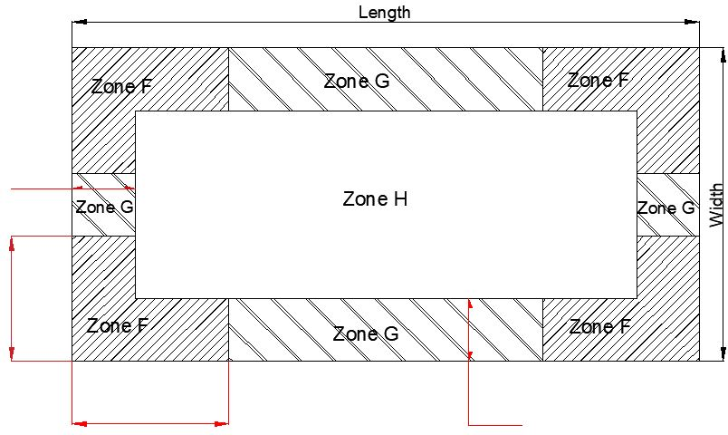
0
0
0
0

Mechanically fixed insulation and membrane basic requirement
Minimum number fixings/m2 |  | Zone F | Zone G | Zone H
 |  | #DIV/0! | #DIV/0! | #DIV/0!

Mechanically fixed insulation and adhered membrane SG/PSG
Fixings per board |  | Zone F | Zone G | Zone H
2400mm x 1200mm |  | #DIV/0! | #DIV/0! | #DIV/0!
1200mm x 1000mm |  | #DIV/0! | #DIV/0! | #DIV/0!
1000mm x 1000mm |  | #DIV/0! | #DIV/0! | #DIV/0!
1200mm x 600mm |  | #DIV/0! | #DIV/0! | #DIV/0!

Mechanically fixed membrane SM/P
2120mm wide membrane |  | Zone F | Zone G | Zone H
Lap fixing spacing (mm) |  | #DIV/0! | #DIV/0! | #DIV/0!
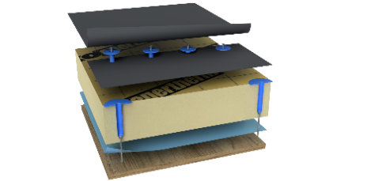
Lap fixings per linear metre |  | #DIV/0! | #DIV/0! | #DIV/0!
Intermediate rows number |  | #DIV/0! | #DIV/0! | #DIV/0!
Fixing rows spacing |  | #DIV/0! | #DIV/0! | #DIV/0!

1060mm wide membrane |  | Zone F | Zone G | Zone H
Lap fixing spacing (mm) |  | #DIV/0! | #DIV/0! | #DIV/0!
Lap fixings per linear metre |  | #DIV/0! | #DIV/0! | #DIV/0!
Intermediate rows number |  | #DIV/0! | #DIV/0! | #DIV/0!
Fixing rows spacing |  | #DIV/0! | #DIV/0! | #DIV/0!

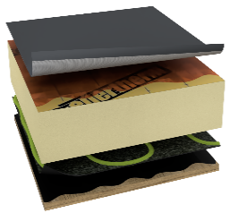
Adhered system or adhered membrane SG/PSG
 |  | Zone F | Zone G | Zone H
Maximum allowed |  | -3.00 | -3.00 | -3.00
Total Pressure kN/m2 |  | #DIV/0! | #DIV/0! | #DIV/0!
OK to bond
Additional MF required
#DIV/0!

Warm Ballasted system SM/P/SG/PSG
 |  | Zone F | Zone G | Zone H
Ballast weight required kg/m2 |  | #DIV/0! | #DIV/0! | #DIV/0!

TECHNICAL ASSISTANCE: If you have any queries, please do not hesitate to contact the Polytec Technical Services Department: 01257 488012 technical.cc@iko.com

Mono
Project:

Project Details | WUC-SP-00-
Postcode
Height (m) | 0.00
Width (m) | 0.00
Length (m) | 0.00
Pitch (deg) | 5
Deck Type | Timber
Factor of Safety | 1.35

Wind Load Calculation
The calculations have been carried out in accordance with the requirements of NA to BS EN 1991-1-4:2005 the UK National Annex to Eurocode 1 – Actions on structures Part 1-4:

Basic Wind Velocity
Vb= Vbmap x Calt x Cdir x Cseason x Cprop |  | 25.23 | m/s
Wind Speed (Vbmap) |  | 21.98 | m/s
Altitude Factor (Calt) |  | 1.15 | Site Altitude 163m
Direction Factor (Cdir) |  | 1.00
Seasonal Factor (Cseason) |  | 1.00
Probability Factor (Cprop) |  | 1.00
Basic Velocity Pressue
qb = 0.613 x Vb2 |  | 0.39 | kN/m2
Orography factor Co(Z) |  | 1.07
Exposure Factor Ce(Z) |  | 2.78
Correction Factor cr,T |  | 1.00
Peak Velocity Pressure
qp |  | 1.18 | kN/m2
Wind Loads
Monopitch Roof |  | Pitch 5 | o
External Surface |  | Zone F | Zone G | Zone H | Zone G2 | Zone F1 | Zone G1
pe = qpx Cpe x Cs |  | -2.48 | -1.42 | -0.94 | -1.30 | -2.83 | -1.30
Cpe is the external pressure coefficient |  | -2.1 | -1.2 | -0.8 | -1.1 | -2.4 | -1.1
Internal Surface
pi = qp x Cpi x Cs |  | 0.24 | 0.24 | 0.24 | 0.24 | 0.24 | 0.24
Cpi is the internal pressure coefficient |  | 0.2 | 0.2 | 0.2 | 0.2 | 0.2 | 0.2
Total Pressure kN/m2 |  | -2.71 | -1.65 | -1.18 | -1.53 | -3.07 | -1.53
FoS |  | 1.35 | 1.35 | 1.35 | 1.35 | 1.35 | 1.35
Total Pressure kN/m2 | p = (pe - pi)*FoS | -3.66 | -2.23 | -1.59 | -2.07 | -4.14 | -2.07
Minimum number fixings/m2 |  | 5.81 | 3.54 | 2.53 | 3.28 | 6.57 | 3.28

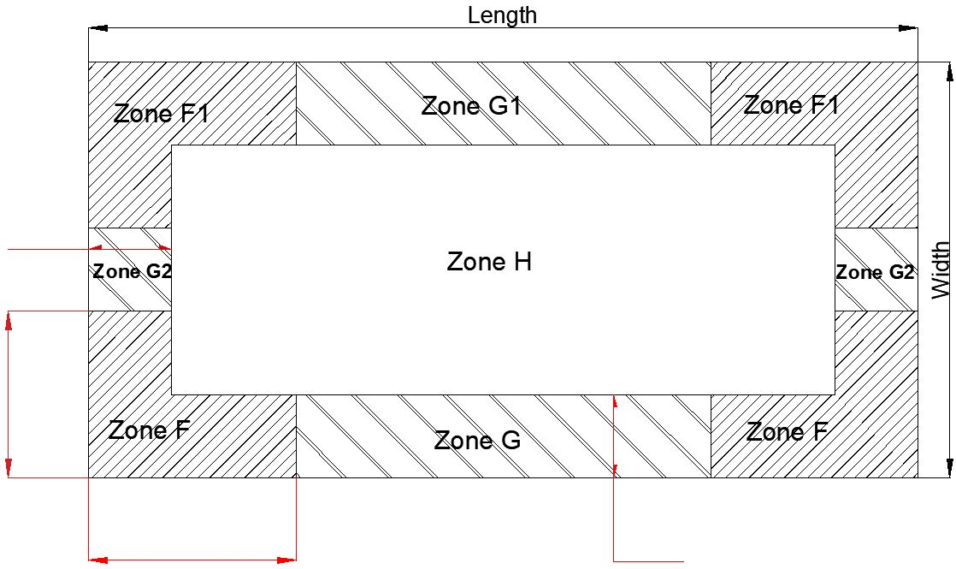
 |  |  | Ridge

Fixing Requirements
Design load per fixing | 0.467 | kN

0

0

0
0

Mechanically fixed insulation and membrane basic requirment
Minimum number fixings/m2 |  | Zone F | Zone G | Zone H | Zone G2 | Zone F1 | Zone G1
 |  | 5.81 | 3.54 | 2.53 | 3.28 | 6.57 | 3.28

Mechanically fixed insulation and adhered membrane SG/PSG
Fixings per board |  | Zone F | Zone G | Zone H | Zone G2 | Zone F1 | Zone G1
2400mm x 1200mm |  | 17 | 11 | 8 | 10 | 19 | 10
1200mm x 1000mm |  | 7 | 5 | 4 | 4 | 8 | 4
1000mm x 1000mm |  | 6 | 4 | 4 | 4 | 7 | 4
1200mm x 600mm |  | 5 | 4 | 4 | 4 | 5 | 4

Mechanically fixed membrane SM/P
2120mm wide membrane |  | Zone F | Zone G | Zone H | Zone G2 | Zone F1 | Zone G1
Lap fixing spacing (mm) |  | 172 | 141 | 198 | 152 | 152 | 152
Lap fixings per linear metre |  | 5.81 | 7.07 | 5.05 | 6.57 | 6.57 | 6.57
Intermediate rows number |  | 1 | 0 | 0 | 0 | 1 | 0
Fixing rows spacing |  | 1000 | 2000 | 2000 | 2000 | 1000 | 2000

1060mm wide membrane |  | Zone F | Zone G | Zone F | Zone G2 | Zone F1 | Zone G1
Lap fixing spacing (mm) |  | 172 | 283 | 396 | 304 | 152 | 304
Lap fixings per linear metre |  | 5.81 | 3.54 | 2.53 | 3.28 | 6.57 | 3.28
Intermediate rows number |  | 0 | 0 | 0 | 0 | 0 | 0
Fixing rows spacing |  | 1000 | 1000 | 1000 | 1000 | 1000 | 1000

Adhered system or adhered membrane SG/PSG
 |  | Zone F | Zone G | Zone H | Zone G2 | Zone F1 | Zone G1
Maximum allowed |  | -3.00 | -3.00 | -3.00 | -3.00 | -3.00 | -3.00
Total Pressure kN/m2 |  | -3.66 | -2.23 | -1.59 | -2.07 | -4.14 | -2.07
OK to bond
Additional MF required
Additional mechanical restraint required in zones exceeding allowed maximum. Peelstop bars spaced at 1000mm, fixed either every crown(metal deck) or every 265mm (timber and concrete decks) and covered with coverstrap

Ballasted system SM/P/SG/PSG
 |  | Zone F | Zone G | Zone H | Zone G2 | Zone F1 | Zone G1
Ballast weight required kg/m2 |  | 366 | 223 | 159 | 207 | 414 | 207

Duo
Project:

Project Details | WUC-SP-00-
Postcode
Height (m) | 0.00
Width (m) | 0.00
Length (m) | 0.00
Pitch | 5
Deck Type | Timber
Factor of Safety | 1.35

Wind Load Calculation
The calculations have been carried out in accordance with the requirements of NA to BS EN 1991-1-4:2005 the UK National Annex to Eurocode 1 – Actions on structures Part 1-4:

Basic Wind Velocity
Vb= Vbmap x Calt x Cdir x Cseason x Cprop |  | 25.23 | m/s
Wind Speed (Vbmap) |  | 21.98 | m/s
Altitude Factor (Calt) |  | 1.15 | Site Altitude 163m
Direction Factor (Cdir) |  | 1.00
Seasonal Factor (Cseason) |  | 1.00
Probability Factor (Cprop) |  | 1.00
Basic Velocity Pressue
qb = 0.613 x Vb2 |  | 0.39 | kN/m2
Orography factor Co(Z) |  | 1.07
Exposure Factor Ce(Z) |  | 2.78
Correction Factor cr,T |  | 1.00
Peak Velocity Pressure
qp |  | 1.18 | kN/m2
Wind Loads
Duopitch Roof |  | Pitch 5 | o
External Surface |  | Zone F | Zone G | Zone H | Zone G1 | Zone J
pe = qpx Cpe x Cs |  | -2.36 | -1.42 | -0.71 | -1.30 | -1.06
Cpe is the external pressure coefficient |  | -2 | -1.2 | -0.6 | -1.1 | -0.9
Internal Surface
pi = qp x Cpi x Cs |  | 0.24 | 0.24 | 0.24 | 0.24 | 0.24
Cpi is the internal pressure coefficient |  | 0.2 | 0.2 | 0.2 | 0.2 | 0.2
Total Pressure kN/m2 |  | -3.50 | -2.23 | -1.27 | -2.07 | -1.75
FoS |  | 1.35 | 1.35 | 1.35 | 1.35 | 1.35
p = (pe - pi)*FoS |  | -4.73 | -3.01 | -1.72 | -2.80 | -2.37
Minimum number of fixings per m2 |  | 7.50 | 4.78 | 2.73 | 4.43 | 3.75

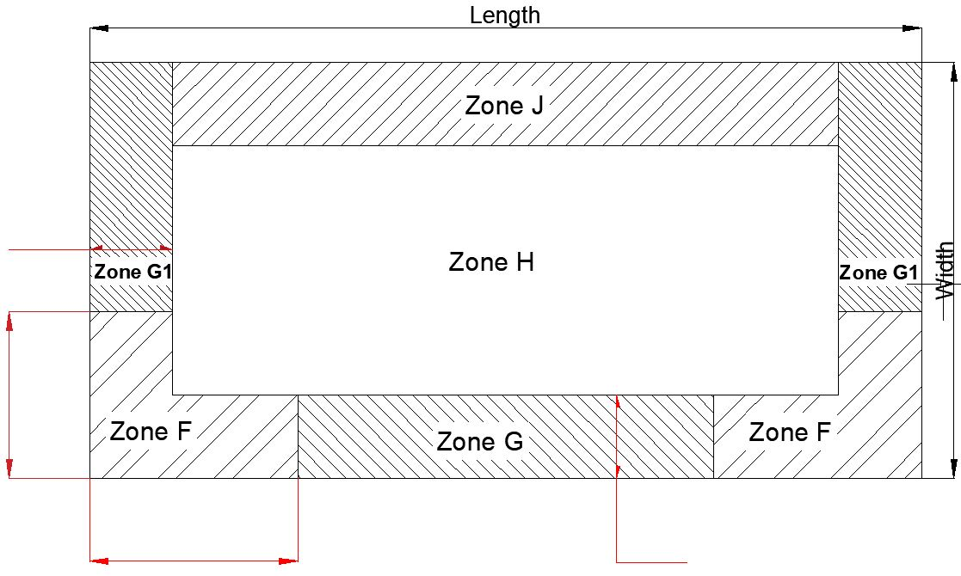
 |  |  | Ridge

Fixing Requirements
Design load per fixing | 0.467

0

0

0
0

Mechanically fixed insulation and membrane basic requirment
Minimum number fixings/m2 |  | Zone F | Zone G | Zone H | Zone G1 | Zone J
 |  | 7.50 | 4.78 | 2.73 | 4.43 | 3.75 | 0.00

Mechanically fixed insulation and adhered membrane SG/PSG
Fixings per board |  | Zone F | Zone G | Zone H | Zone G1 | Zone J
2400mm x 1200mm |  | 22 | 14 | 8 | 13 | 11
1200mm x 1000mm |  | 10 | 6 | 4 | 6 | 5
1000mm x 1000mm |  | 8 | 5 | 4 | 5 | 4
1200mm x 600mm |  | 6 | 4 | 4 | 4 | 4

Mechanically fixed membrane SM/P
2120mm wide membrane |  | Zone F | Zone G | Zone H | Zone G1 | Zone J
Lap fixing spacing (mm) |  | 133 | 209 | 183 | 226 | 133
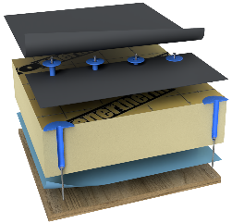
Lap fixings per linear metre |  | 7.50 | 4.78 | 5.46 | 4.43 | 7.50
Intermediate rows number |  | 1 | 1 | 0 | 1 | 0
Fixing rows spacing |  | 1000 | 1000 | 2000 | 1000 | 2000

1060mm wide membrane |  | Zone F | Zone G | Zone F | Zone G1 | Zone J
Lap fixing spacing (mm) |  | 133 | 209 | 366 | 226 | 267
Lap fixings per linear metre |  | 7.50 | 4.78 | 2.73 | 4.43 | 3.75
Intermediate rows number |  | 0 | 0 | 0 | 0 | 0
Fixing rows spacing |  | 1000 | 1000 | 1000 | 1000 | 1000


Adhered system or adhered membrane SG/PSG
 |  | Zone F | Zone G | Zone H | Zone G1 | Zone J
Maximum allowed |  | -3.00 | -3.00 | -3.00 | -3.00 | -3.00
Total Pressure kN/m2 |  | -4.73 | -3.01 | -1.72 | -2.80 | -2.37
OK to bond
Additional MF required
Additional mechanical restraint required in zones exceeding allowed maximum. Peelstop bars spaced at 1000mm, fixed either every crown(metal deck) or every 265mm (timber and concrete decks) and covered with coverstrap

Ballasted system SM/P/SG/PSG
 |  | Zone F | Zone G | Zone H | Zone G1 | Zone J
Ballast weight required kg/m2 |  | 473 | 301 | 172 | 280 | 237

Barrel Vault Roof
Project: |  |  |  |  |  |  |  | 1Amber

Project Details | WUC-SP-00-
Postcode
Height (m) | 0.00
Width (m) | 0.00
Length (m) | 0.00
Pitch | 5
Deck Type | Timber
Factor of Safety | 1.35

Wind Load Calculation
The calculations have been carried out in accordance with the requirements of NA to BS EN 1991-1-4:2005 the UK National Annex to Eurocode 1 – Actions on structures Part 1-4:

Basic Wind Velocity
Vb= Vbmap x Calt x Cdir x Cseason x Cprop |  | 25.23 | m/s
Wind Speed (Vbmap) |  | 21.98 | m/s
Altitude Factor (Calt) |  | 1.15 | Site Altitude 163m
Direction Factor (Cdir) |  | 1.00
Seasonal Factor (Cseason) |  | 1.00
Probability Factor (Cprop) |  | 1.00
Basic Velocity Pressue
qb = 0.613 x Vb2 |  | 0.39 | kN/m2
Orography factor Co(Z) |  | 1.07
Exposure Factor Ce(Z) |  | 2.78
Correction Factor cr,T |  | 1.00
Peak Velocity Pressure
qp |  | 1.18 | kN/m2
Wind Loads
Barrel Vault Roof |  | Maximum Pitch 5 | o
External Surface |  | Zone F | Zone G | Zone H | Zone G1
pe = qpx Cpe x Cs |  | -2.36 | -1.42 | -0.83 | -1.65
Cpe is the external pressure coefficient |  | -2 | -1.2 | -0.7 | -1.4
Internal Surface
pi = qp x Cpi x Cs |  | 0.24 | 0.24 | 0.24 | 0.24
Cpi is the internal pressure coefficient |  | 0.2 | 0.2 | 0.2 | 0.2
Total Pressure kN/m2
FoS |  | 1.35 | 1.35 | 1.35 | 1.35
p = (pe - pi) |  | -3.50 | -2.23 | -1.43 | -2.55
Minimum number of fixings per m2 |  | 7.50 | 4.78 | 3.07 | 5.46

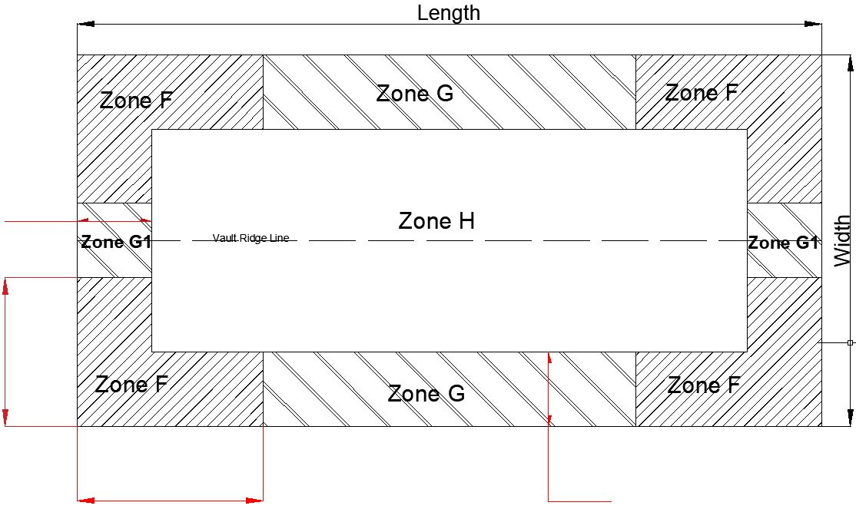
Fixing Requirements
Design load per fixing | 0.467 | kN

0

0

0
0

Mechanically fixed insulation and membrane basic requirment
Minimum number fixings/m2 |  | Zone F | Zone G | Zone H | Zone G1
 |  | 7.50 | 4.78 | 3.07 | 5.46 | 0.00 | 0.00

Mechanically fixed insulation and adhered membrane SG/PSG
Fixings per board |  | Zone F | Zone G | Zone H | Zone G1
2400mm x 1200mm |  | 22 | 14 | 9 | 16
1200mm x 1000mm |  | 10 | 6 | 4 | 7
1000mm x 1000mm |  | 8 | 5 | 4 | 6
1200mm x 600mm |  | 6 | 4 | 4 | 4

Mechanically fixed membrane SM/P
2120mm wide membrane |  | Zone F | Zone G | Zone H | Zone G1
Lap fixing spacing (mm) |  | 133 | 209 | 163 | 183
Lap fixings per linear metre |  | 7.50 | 4.78 | 6.14 | 5.46
Intermediate rows number |  | 1 | 1 | 0 | 1
Fixing rows spacing |  | 1000 | 1000 | 2000 | 1000

1060mm wide membrane |  | Zone F | Zone G | Zone F | Zone G1
Lap fixing spacing (mm) |  | 133 | 209 | 326 | 183
Lap fixings per linear metre |  | 7.50 | 4.78 | 3.07 | 5.46
Intermediate rows number |  | 0 | 0 | 0 | 0
Fixing rows spacing |  | 1000 | 1000 | 1000 | 1000

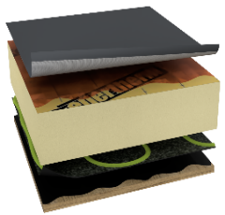
Adhered system or adhered membrane SG/PSG
 |  | Zone F | Zone G | Zone H | Zone G1
Maximum allowed |  | -3.00 | -3.00 | -3.00 | -3.00
Total Pressure kN/m2 |  | -3.50 | -2.23 | -1.43 | -2.55
OK to bond
Additional MF required
Additional mechanical restraint required in zones exceeding allowed maximum. Peelstop bars spaced at 1000mm, fixed either every crown(metal deck) or every 265mm (timber and concrete decks) and covered with coverstrap

Ballasted system SM/P/SG/PSG
 |  | Zone F | Zone G | Zone H | Zone G1
Ballast weight required kg/m2 |  | 350 | 223 | 143 | 255

